1. Title Page
[Sales Segmentation Analysis]

Project Name: Instacart Basket
Date: September 7th, 2025
Analyst Name: Giovanni Blanco

Contents:
Population Flow
Consistency checks
Wrangling steps
Column derivations
Visualizations
Recommendations

Data Citation:
The Instacart Online Grocery Shopping 2017 Dataset was accessed in September 2025 via Kaggle from: | www.instacart.com/datasets/grocery-shopping-2017
Please note that the customer data, as well as the “prices” column in the products data set, were simulated and intended for instructional purposes only.

2. Population Flow
Title page

Population flow

Exclusion flag
Condition: max_order < 5
Obervations to be removed: 1,358,803
Final total count of order_products_all: 29,270,938

Orders_products_combined
Orders_products_merged
Orders_products_all

Total: 32,404,859
Total: 32,434,489
Total: 30,629,741

1.) The grey boxes in the first row of the population flow represent the original data sets as they were when you downloaded them. In the Total fields you need to add the count of the rows when you imported the data set into Jupyter.
2.) The second row of boxes (coloured) represents the data sets after you manipulated them, e.g., removed missing values and duplicates. In the Total fields you need to add the count of the rows after conducting these operations. This offers a visual oveview of how the data flows throughout the data consistency checks.
3.) The third row, where also the arrows are coloured, represents the merges you performed between the datasets. In the Total fields you need to add the count of the rows in the merged datasets, so that you end up with the final dataset (in the red box). Keep in mind the final dataset should be without exclusions (based on the exclusion flag).

3. Consistency checks
 |  |  |  |  | Title page
Consistency checks

Dataset | Missing values | Missing values treatment | Duplicates | Crosstab Consistency Check
orders | Days since Prior Order = 206,209 | Kept since missing values only indicate there is no previous order history | None | order_number 1 2 3 4 5 6 \ |  | order_number 7 8 9 10 ... 90 91 92 \ | order_number 93 94 95 96 97 98 99
products | Product Name = 16 | Removed | 5 removed | days_since_prior_order |  | days_since_prior_order ... | days_since_prior_order
orders_products_prior | None | No Action Taken | None | 0.0 0 19338 19356 17067 15571 15199 |  | 0.0 13666 13196 11984 10888 ... 1134 1120 986 | 0.0 906 997 1060 986 825 946 865
customers | First Name = 11,259 | Removed | None | 1.0 0 29915 28199 26700 25739 24179 |  | 1.0 23758 21878 20659 19864 ... 2491 2616 2589 | 1.0 2402 2467 2449 2341 2333 2448 2187
orders_products_merged | Prices = 5127 | Kept to not distort customer segmentation. Keeping these was not detrimental to the analysis as python functions and methods allowed to manage these. | None | 2.0 0 44120 43837 41450 38519 38613 |  | 2.0 35917 35767 33585 31930 ... 3396 3331 3091 | 2.0 3385 3180 2866 2840 2818 2912 2463
 |  |  |  | 3.0 0 58387 59818 56798 54885 53235 |  | 3.0 49897 46486 45800 45205 ... 3199 3085 2684 | 3.0 2887 2745 2452 2558 2361 2048 2343
 |  |  |  | 4.0 0 72703 74506 69498 66668 62973 |  | 4.0 58705 58073 56195 54332 ... 2200 2144 2401 | 4.0 1952 1723 1998 1793 1724 1637 1736
 |  |  |  | 5.0 0 83919 86570 81811 76837 73416 |  | 5.0 69845 66362 61171 59780 ... 1474 1577 1326 | 5.0 928 1139 1203 1096 915 859 885
 |  |  |  | 6.0 0 114088 116437 108651 100729 95430 |  | 6.0 91292 84515 82463 74411 ... 748 732 872 | 6.0 914 752 538 440 554 457 503
 |  |  |  | 7.0 0 174711 171846 157862 148934 135945 |  | 7.0 130200 121539 113898 109142 ... 587 493 484 | 7.0 424 602 398 413 374 398 322
 |  |  |  | 8.0 0 105991 104222 96909 90198 82668 |  | 8.0 77472 74423 67211 64180 ... 225 262 214 | 8.0 238 258 196 213 131 137 84
 |  |  |  | 9.0 0 69790 71226 64511 61663 55715 |  | 9.0 51275 47737 45249 40987 ... 155 84 95 | 9.0 101 132 91 67 99 66 65
 |  |  |  | 10.0 0 58587 59157 54158 49044 46763 |  | 10.0 41415 38765 36353 33201 ... 60 84 222 | 10.0 74 45 116 4 101 42 59
 |  |  |  | 11.0 0 52760 52782 49466 43208 40144 |  | 11.0 37908 34828 31494 29043 ... 57 72 175 | 11.0 55 68 126 63 64 1 12
 |  |  |  | 12.0 0 51467 53635 48066 41885 40256 |  | 12.0 36713 33559 31644 28397 ... 58 54 11 | 12.0 17 50 75 43 23 5 66
 |  |  |  | 13.0 0 60488 62156 55215 51579 45259 |  | 13.0 42398 38911 36424 32657 ... 69 93 93 | 13.0 80 73 24 27 56 53 68
 |  |  |  | 14.0 0 77221 75269 70633 64037 57055 |  | 14.0 51991 46466 43395 39852 ... 38 8 13 | 14.0 93 55 41 32 54 33 0
 |  |  |  | 15.0 0 51318 50718 47840 41413 37184 |  | 15.0 33513 31788 27996 26347 ... 44 14 22 | 15.0 25 6 23 20 17 7 17
 |  |  |  | 16.0 0 36573 37516 32558 28932 26864 |  | 16.0 24028 21419 21440 19456 ... 65 20 7 | 16.0 0 12 0 32 50 17 10
 |  |  |  | 17.0 0 30224 30993 27874 24980 22790 |  | 17.0 19560 17644 16631 15216 ... 14 0 15 | 17.0 0 16 7 0 9 0 5
 |  |  |  | 18.0 0 29856 28902 25794 23489 20627 |  | 18.0 18243 16542 16041 14247 ... 0 1 13 | 18.0 0 20 0 0 0 0 5
 |  |  |  | 19.0 0 28353 29714 24959 22712 20193 |  | 19.0 18951 16841 14783 13381 ... 0 6 0 | 19.0 0 0 0 21 14 0 0
 |  |  |  | 20.0 0 33879 33178 30043 27427 24210 |  | 20.0 21764 18661 16151 15127 ... 31 19 7 | 20.0 0 9 0 0 0 0 0
 |  |  |  | 21.0 0 41578 42109 35580 30536 29837 |  | 21.0 24640 22407 19371 18298 ... 19 0 32 | 21.0 12 0 19 0 0 12 0
 |  |  |  | 22.0 0 28468 28071 25076 22256 19299 |  | 22.0 17594 16064 14541 13168 ... 0 9 0 | 22.0 0 0 0 0 0 0 0
 |  |  |  | 23.0 0 21806 22783 18769 16163 14713 |  | 23.0 12943 10753 10611 8091 ... 13 0 0 | 23.0 0 0 9 0 0 0 0
 |  |  |  | 24.0 0 18359 18421 16004 14783 12863 |  | 24.0 11788 10252 8921 7814 ... 0 0 0 | 24.0 0 0 0 0 0 0 0
 |  |  |  | 25.0 0 17661 18423 15393 13516 12056 |  | 25.0 10141 8668 8057 7284 ... 0 0 0 | 25.0 0 0 0 0 0 0 0
 |  |  |  | 26.0 0 17506 18356 15187 14156 12277 |  | 26.0 11183 9437 8295 7342 ... 0 0 0 | 26.0 0 0 9 0 0 0 0
 |  |  |  | 27.0 0 20342 21323 19204 17507 13753 |  | 27.0 11837 11006 9621 8066 ... 12 0 0 | 27.0 0 0 0 0 0 0 0
 |  |  |  | 28.0 0 26305 27237 24102 19545 17243 |  | 28.0 15702 13549 11970 10254 ... 0 0 0 | 28.0 0 0 0 6 0 0 0
 |  |  |  | 29.0 0 18976 19021 16387 14053 12621 |  | 29.0 10625 9629 8395 7095 ... 0 4 0 | 29.0 0 0 0 0 0 0 0
 |  |  |  | 30.0 0 439759 431047 346097 278461 228957 |  | 30.0 186156 154643 127737 107150 ... 6 11 3 | 30.0 0 0 0 0 0 0 13
 |  |  |  | NaN 1962703 0 0 0 0 0 |  | NaN 0 0 0 0 ... 0 0 0 | NaN 0 0 0 0 0 0 0
 |  |  |  |  |  |  | [32 rows x 99 columns]>

4. Wrangling steps
 |  |  |  | Title page
Wrangling steps

Columns dropped | Columns renamed | Columns' type changed | Comment/Reason
Products: Unnamed: 0 |  |  | Redundant index column
 |  | Product: product_id | To enhance memory efficiency
 |  | Product: aisle_id | To enhance memory efficiency
 |  | Product: department_id | To enhance memory efficiency
 |  | Product: prices | To enhance memory efficiency

Orders: eval_set |  |  | Not necessary for the analysis
Order: Unnamed: 0 |  |  | Redundant index column
 | Order: order_dow TO order_day_of_week |  | To improve clarity of column contents
 | Order: order_number TO order_sequence_number |  | To improve clarity of column contents
 |  | Order: order_id | To enhance memory efficiency
 |  | Order: user_id | To enhance memory efficiency

Orders_Products_Merged: busiest_day |  |  | Substituted with busiest days flag
Orders_Products_Merged: _merge |  |  | Used for verification purposes, irrelevant for analysis
Orders_Products_Merged: pro_merged |  |  | Used for verification purposes, irrelevant for analysis
 |  | Order: order_number | To enhance memory efficiency
 |  | Order: order_day_of_week | To enhance memory efficiency
 |  | Order: order_hour_of_day | To enhance memory efficiency
 |  | Order: days_since_prior_order | To enhance memory efficiency
 |  | Order: product_id | To enhance memory efficiency
 |  | Order: add_to_cart_order | To enhance memory efficiency
 |  | Order: reordered | To enhance memory efficiency
 |  | Orders_Products_Merged: busiest_days | To define a logical order and improve performance
 |  | Orders_Products_Merged: busiest_period_of_day | To define a logical order and improve performance
 |  | Orders_Products_Merged: price_range | To define a logical order and improve performance
 |  | Orders_Products_Merged: loyalty_flag | To define a logical order and improve performance
 |  | Orders_Products_Merged:spender_type | To define a logical order and improve performance
 |  | Orders_Products_Merged: orders_frequency | To define a logical order and improve performance

Customers Data Security Measures: The personal identifying information included in this dataset caused for most results to be aggregated and will require limiting access to only authorized decision making executives.
Customers | Customers: Surnam TO Surname |  | To correct typographical error
 | Customers: STATE TO State |  | To align case with the distinguished format given to customer variables
 |  | df_cust_clean: user_id | To enhance memory efficiency
 |  | df_cust_clean: Gender | To define a logical order and improve performance
 |  | df_cust_clean: fam_status | To define a logical order and improve performance
 |  | df_cust_clean: Age | To enhance memory efficiency
 |  | df_cust_clean: n_dependants | To enhance memory efficiency
 |  | df_cust_clean: income | To enhance memory efficiency

5. Column derivations
 |  |  |  |  | Title page

Column derivations and aggregations

In this tab you should add tables below that the frequences of flags/label variables that you produced after deriving them. NB: don't do this for continuous variables, only for flags.
Dataset | New column | Column/s it was derived from | Conditions | Tables Produced
Orders_Products_Merged | price_range | prices | df_merged.loc[df_merged['prices']>15, 'price_range'] = 'High Range' df_merged.loc[(df_merged['prices']<= 15) & (df_merged['prices']>5), 'price_range'] = 'Mid Range' df_merged.loc[df_merged['prices']<= 5, 'price_range'] = 'Low Range' | price_range Mid Range 21860860 Low Range 10126321 High Range 417678
Orders_Products_Merged | busiest_day | order_day_of_week | busyStatus = [] for value in df_merged['order_day_of_week']: if value == 0: busyStatus.append('Busiest Day') elif value == 4: busyStatus.append('Least Busiest') else: busyStatus.append('Regularly Busy') | busiest_day Regularly Busy 22416875 Busiest Day 6204182 Least Busiest 3783802
Orders_Products_Merged | busiest_days | order_day_of_week | activeStatus = [] for dow in df_merged['order_day_of_week']: if dow == 0: activeStatus.append('Busiest Day') elif dow == 1: activeStatus.append('Second Busiest') elif dow == 4: activeStatus.append('Slowest Day') elif dow == 3: activeStatus.append('Second Slowest') else: activeStatus.append('Regularly Busy') | Busiest Days 6204182 Second Busiest 5660230 Regularly Busy 12916111 Second Slowest 3840534 Slowest Day 3783802
Orders_Products_Merged | busiest_period_of_day | order_hour_of_day | busyHour = [] for hod in df_merged['order_hour_of_day']: if hod >= 9: busyHour.append('Most Orders') elif hod in [8,17,18,19]: busyHour.append('Average Orders') else: busyHour.append('Fewest Orders') | busiest_period_of_day Most Orders 28908866 Average Orders 1718118 Fewest Orders 1777875
Orders_Products_Merged | max_order | order_number | ord_pro_merge.groupby('user_id')['order_number'].transform('max') | Continuous Variable
Orders_Products_Merged | loyalty_flag | max_order | ord_pro_merge.loc[ord_pro_merge['max_order']>40, 'loyalty_flag'] = 'Loyal Customer' ord_pro_merge.loc[(ord_pro_merge['max_order']>10) & (ord_pro_merge['max_order']<= 40), 'loyalty_flag'] = 'Regular Customer' ord_pro_merge.loc[ord_pro_merge['max_order']<=10, 'loyalty_flag'] = 'New Customer' ord_pro_merge['loyalty_flag'].value_counts(dropna=False) | loyalty_flag Regular Customer 15876776 Loyal Customer 10284093 New Customer 6243990 Name: count, dtype: int64
Orders_Products_Merged | mean_price | prices | ord_pro_merge.groupby('user_id')['prices'].transform('mean') | Continuous Variable
Orders_Products_Merged | spender_type | mean_price | ord_pro_merge.loc[ord_pro_merge['mean_price']<10, 'spender_type'] = 'Low Spender' ord_pro_merge.loc[ord_pro_merge['mean_price']>= 10, 'spender_type'] = 'High Spender' | spender_type Low Spender 30034178 High Spender 595563
Orders_Products_Merged | orders_frequency | days_since_prior_order | Order_regularity = [] for dspo in order_median: if dspo > 20: Order_regularity.append('Non-frequent customer') elif dspo > 10 and dspo <= 20: Order_regularity.append('Regular Customer') else: Order_regularity.append('Frequent Customer') | orders_frequency Frequent Customer 20362711 Regular Customer 6824080 Non-frequent customer 3442950
Order_Products_Customer | Region | State | df_merged.loc[df_merged['State'].isin(['Maine', 'New Hampshire', 'Vermont', 'Massachusetts', 'Rhode Island', 'Connecticut', 'New York', 'Pennsylvania', 'New Jersey']), 'Region'] = 'North East' df_merged.loc[df_merged['State'].isin(['Delaware', 'Maryland', 'District of Columbia', 'Virginia', 'West Virginia', 'North Carolina', 'South Carolina', 'Georgia', 'Florida', 'Kentucky', 'Tennessee', 'Mississippi', 'Alabama', 'Oklahoma', 'Texas', 'Arkansas', 'Louisiana']), 'Region'] = 'South' df_merged.loc[df_merged['State'].isin(['Wisconsin', 'Michigan', 'Illinois', 'Indiana', 'Ohio', 'North Dakota', 'South Dakota', 'Nebraska', 'Kansas', 'Minnesota', 'Iowa', 'Missouri']), 'Region'] = 'Mid West' df_merged.loc[df_merged['State'].isin(['Idaho', 'Montana', 'Wyoming', 'Nevada', 'Utah', 'Colorado', 'Arizona', 'New Mexico', 'Alaska', 'Washington', 'Oregon', 'California', 'Hawaii']), 'Region'] = 'West' | Region South 10198982 West 7831810 Mid West 7176924 North East 5422025
Order_Products_Customer | Profile | Age, n_dependants, income, | df_cleared.loc[(df_cleared['Age']<30) & (df_cleared['n_dependants']==0) & (df_cleared['income']<=396364), 'Profile'] = 'Young Adult, no Kids' df_cleared.loc[(df_cleared['Age']<30) & (df_cleared['n_dependants']>0) & (df_cleared['income']<=396364), 'Profile'] = 'Parent, Low Income' df_cleared.loc[(df_cleared['Age']>=30) & (df_cleared['Age']<65) & (df_cleared['income']<=396364), 'Profile'] = 'Parent, Mid Income' df_cleared.loc[(df_cleared['Age']>=30) & (df_cleared['Age']<65) & (df_cleared['income']>396364), 'Profile'] = 'Parent, High Income' df_cleared.loc[(df_cleared['Age']>=65) & (df_cleared['income']<=396364), 'Profile'] = 'Retired' df_cleared.loc[(df_cleared['Age']>=65) & (df_cleared['income']>396364), 'Profile'] = 'Retired, High Income' | Profile Parent, Mid Income 16010117 Retired 7721327 Parent, Low Income 4137654 Young Adult, no Kids 1355774 Parent, High Income 28045 Retired, High Income 18021

6. Visualizations
 |  |  |  |  |  | Title page

Visualisations

In this tab you should include all the visualtions from Exercises 4.9 and 4.10, alongside the questions from the project brief that they answer. Include any commentary on the relationship between different variables.

Question:
The sales team needs to know what the busiest days of the week and hours of the day are (i.e., the days and times with the most orders) in order to schedule ads at times when there are fewer orders.

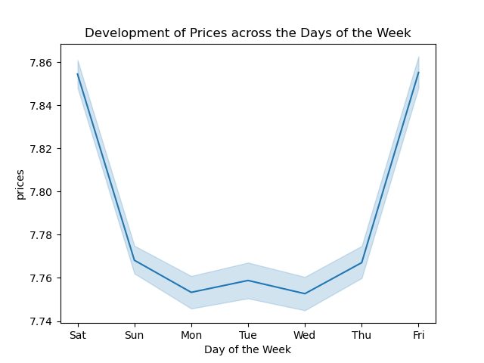
 |  |  |  |  |  |  |  | Commentary: From the bar chart, it's clear customer orders peak on Saturdays, even when prices are at their highest. Order remain high on Sunday and gradually decrease during the week, as prices fall to their lowest on Mondays and Wednesdays. This higher ordering may reflect customer's use of their free time.

Question:
They also want to know whether there are particular times of the day when people spend the most money, as this might inform the type of products they advertise at these times.

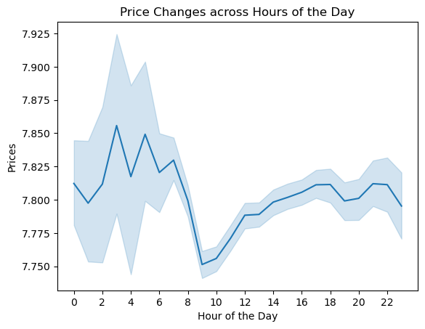
 |  |  |  |  |  |  |  | Commentary: Customers' ordering activity increases at 9 a.m. when prices fall to their lowest during the day and peaks at 11 a.m. up to 5 p.m. after which the activity gradually decreases when prices reach their afternoon peak.

Question:
Are there certain types of products that are more popular than others? The marketing and sales teams want to know which departments have the highest frequency of product orders.


 |  |  |  |  |  |  |  | Commentary: Mid premium essentials dominate the sales volume, even among top departments such as produce and dairy eggs, except for Snacks where low range priced products have a higher contribution.

Question:
Instacart has a lot of products with different price tags. Marketing and sales want to use simpler price range groupings to help direct their efforts.
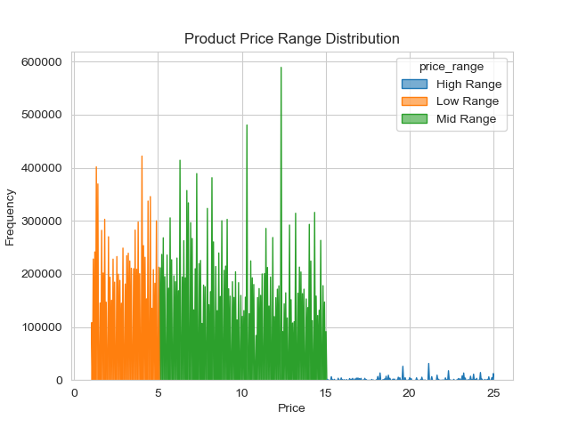

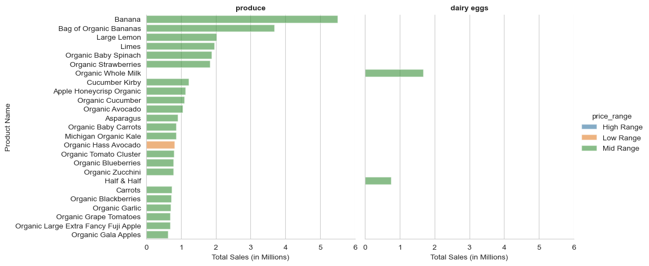
 |  |  |  |  |  |  |  |  |  |  | Commentary: The price histogram confirms that most of the products bought by customers consist of prices below $15. Withal, 24 of the top 25 revenue contributor products are all in the mid price tier ($5 to $15) within two essential product deparments.

Question:
What’s the distribution among users in regards to their brand loyalty (i.e., how often do they return to Instacart)?

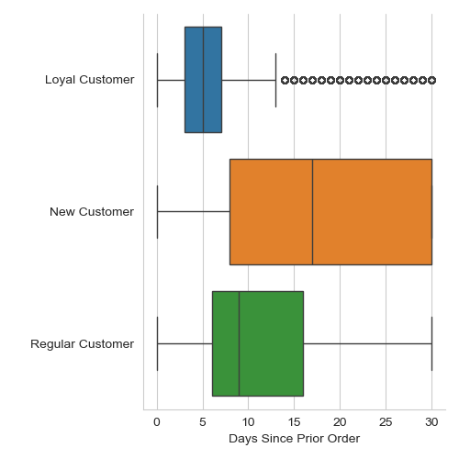

 |  |  |  |  |  |  |  |  |  |  | Commentary: All customer groups show the same buying patterns, interest in essential products such as produce, dairy, snacks, beverages, etc, with low interest in premium products such as seafood, household, personal care. The return frequency per customer loyalty reflects that loyal customers return every 3-7 days, while regular customers return every 6-16 days and both contribute significantly to department sales. New customers, on their end, return every 8 to 30 days and find interest mostly in essential groceries.

Question:
Are there differences in ordering habits based on a customer’s loyalty status?

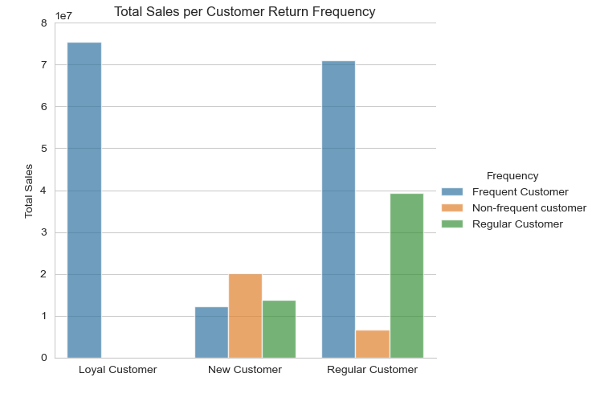
 |  | Price Count | Mean $ | Median $ | STD | Q1 | Q3
 | Loyal Customer | 241 | 489.60 | 13.00 | 6507.717773 | 7.000 | 19.100
 | New Customer | 242 | 487.65 | 13.05 | 6494.272461 | 7.025 | 19.075
 | Regular Customer | 242 | 487.65 | 13.05 | 6494.272461 | 7.025 | 19.075

 | Commentary: Regular customers account for almost 50% of the ordering activity. However, the higher price mean and count statistics reveal that loyal customers tend to buy slightly more higher price products in comparison to regular customers. Additionally, both loyal and regular customers buy a high variability of products based on the standard deviation, which seem to be in the mid range price and not the most expensive. In terms of revenue, almost all sales revenue (99%) of loyal customers is generated in less than 10 days per their frequency, while only about 60% of regular customer revenue is generated in that time. Regular customers do contribute over 1/3 of their remaining revenue in 10-20 days, though.

Question:
Are there differences in ordering habits based on a customer’s region?

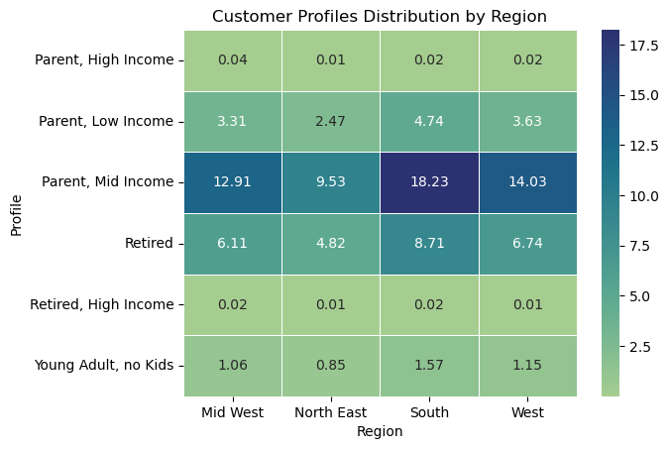
 |  |  |  |  |  | Commentary: Southern states contribute the most sales volume to the top 10 selling departments, as shown by the above chart that depicts department sales volume per region, followed by western states, mid western and the least by north eastern states. Among these, mid income parents and retired mid income customers buy the most in terms of units, with low income parents contributing much less and young impulse buyers only contributing in the south among the top departments. A factor influencing this is the regional customer composition percentage, which as shown by the Customer Profile Distribution by Region chart is composed of mostly mid income parents, retired, and low income parents with young adults and high income customers constituting less than 5% of total customers.

Question:
Is there a connection between age and family status in terms of ordering habits?
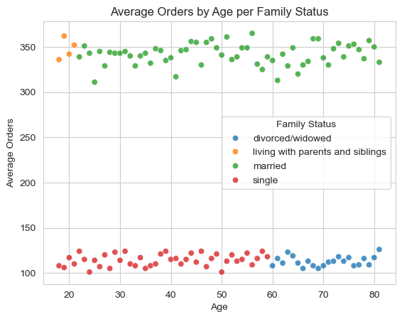
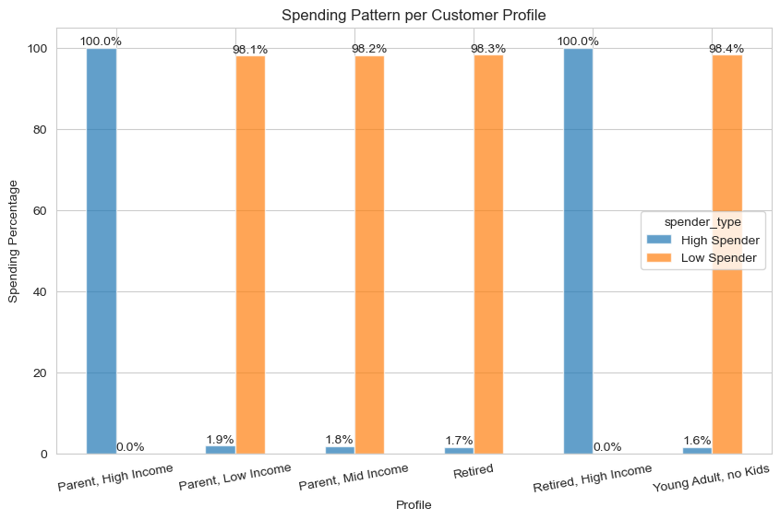

 |  |  |  |  |  |  |  |  |  | Commentary: Yes, customers who are married and living with parents/siblings order almost 3 times compared to those who are single and divorced. Young aged customers that are part of the low income parents and young adults under 30 years along with mid income parents between 30-65 years and retired are all low spenders. The only high income spenders are high income parents with ages between 30-65 and retired high income customers. High income customers spend more but buy less units, which impact revenue generation per department.

Question:
What different classifications does the demographic information suggest? Age? Income? Certain types of goods? Family status?

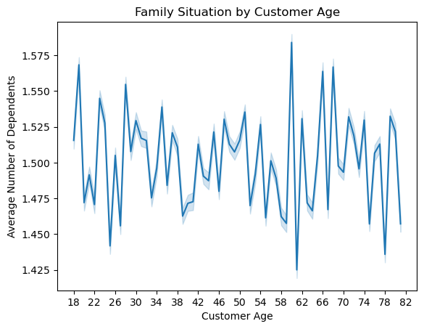
 |  |  |  |  |  |  |  |  | Commentary: The demographic information shows that customers attracted by Instacart have a clear pattern in income increase as age increases. Adults over the age of 40, have the most income concentration below $19,000, with a significant number of these customers enjoying income ranges of $20,000 and $30,000, which makes them an excelent group to target. Customers under the age of 40, count with a limited income below $20,000. However, there is no clear relationship between customer age and number of dependents.
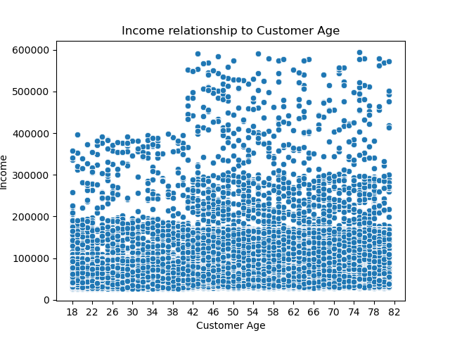

Question:
What differences can you find in ordering habits of different customer profiles? Consider the price of orders, the frequency of orders, the products customers are ordering, and anything else you can think of.
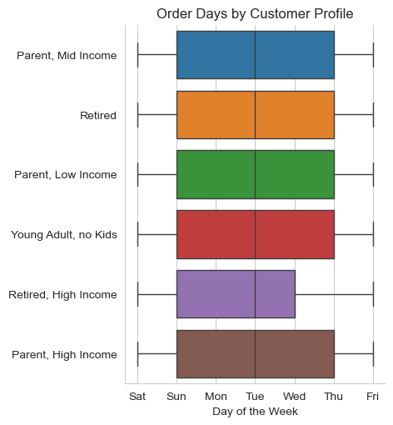
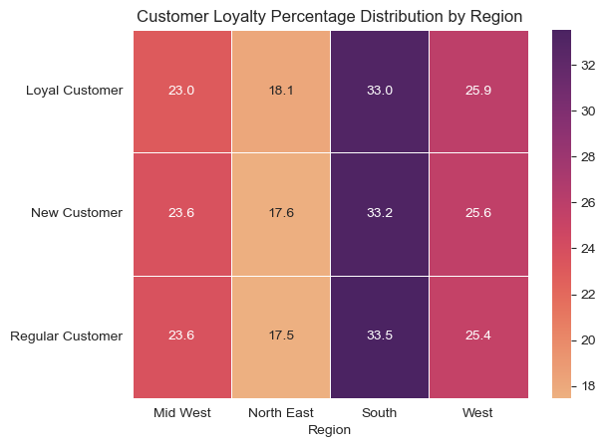

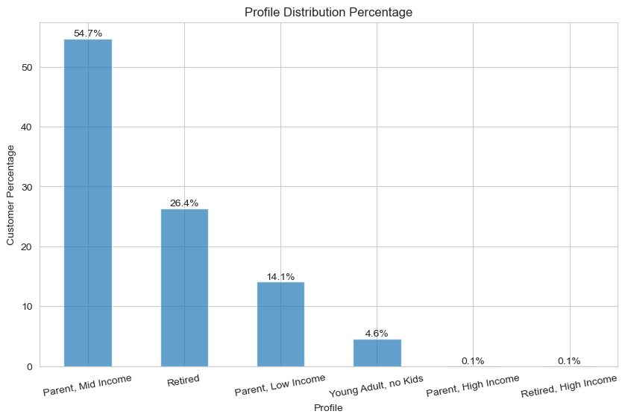
 |  |  |  |  | Commentary: Order Days by Customer Profile reveals that eventhough the number of orders increase during the weekend, most customers buy between Sunday and Thursday when prices are lower. The loyalty percentage by region is very similar which indicate loyalty factors are not influencing the lower customer spending in the north east and mid west regions. The reason seems to be related to the fact that as shown by the Profile Distribution Percentage chart, Instacart has attracted mostly mid income and retired mid income customers, followed by low income parents and young adults.

7. Recommendations
 |  | Title page

Recommendations

In this tab you should include any recommendations you would made to Instcart in terms of their marketing strategy based on the questions posed in the brief. Every key question has been covered in the Tasks of the Exercises - here you need to add an item - a visualisation or table/crosstable that is showing the answer in the data, acompanied by a comment from you. Please, list the questions below and add the answer underneath.

Question | Commentary and Recommendations
The sales team needs to know what the busiest days of the week and hours of the day are (i.e., the days and times with the most orders) in order to schedule ads at times when there are fewer orders. | Commentary: From the bar chart it's clear customer orders peak on Saturdays, even when prices are at their highest. Orders remain high on Sunday and gradually decrease during the week, as prices fall to their lowest on Mondays and Wednesdays. This higher ordering may reflect customer's use of their free time. Recommendation: Ads can be scheduled during the weekday from Monday to Friday, when many customers engage in small purchases.
They also want to know whether there are particular times of the day when people spend the most money, as this might inform the type of products they advertise at these times. | Commentary: Customers' ordering activity increases at 9 a.m. when prices fall to their lowest during the day and peaks at 11 a.m. up to 5 p.m. after which the activity gradually decreases when prices reach their afternoon peak. Recommendation: Ads can run between 6 a.m. to 9 a.m. and 7p.m. to 10 p.m. promoting low sale products at a discount.
Are there certain types of products that are more popular than others? The marketing and sales teams want to know which departments have the highest frequency of product orders. | Commentary: Mid premium essentials dominate the sales volume, even among top departments such as produce and dairy eggs, except for Snacks where low range priced products have a higher contribution. Recommendation: Promoting high price range products or expanding the existing catalog with premium products may improve margins.
Instacart has a lot of products with different price tags. Marketing and sales want to use simpler price range groupings to help direct their efforts. | Commentary: The price histogram confirms that most of the products bought by customers consist of prices below $15. Withal, 24 of the top 25 revenue contributor products are all in the mid price tier ($5 to $15) within two essential product deparments: Produce and Dairy Eggs. Recommendation: Clients see Instacart as an essentials store which may give further insights on the type of marketing campaign to conduct in the future.
What’s the distribution among users in regards to their brand loyalty (i.e., how often do they return to Instacart)? | Commentary: All customer groups show the same buying patterns, interest in essential products such as produce, dairy, snacks, beverages, etc, with low interest in premium products such as seafood, household, personal care. The return frequency per customer loyalty reflects that loyal customers return every 3-7 days, while regular customers return every 6-16 days and both contribute significantly to department sales. New customers, on their end, return every 8 to 30 days and find interest mostly in essential groceries. Recommendation: Conducting surveys and comparing responses between loyal customers and the other 2 groups will help to understand how to increase loyalty among less loyal customers.
Are there differences in ordering habits based on a customer’s loyalty status? | Commentary: Regular customers account for almost 50% of the ordering activity; however, the higher price mean and count statistics reveal that loyal customers tend to buy slightly more higher price products in comparison to regular customers. Additionally, both loyal and regular customers buy a high variability of products based on the standard deviation, which seem to be in the mid range price products. In terms of revenue, almost all sales revenue (99%) of loyal customers is generated in less than 10 days per their frequency, while only about 60% of regular customer revenue is generated in that time. Regular customers contribute over 1/3 of their remaining revenue in 10-20 days, though. Recommendation: Implementing welcome promotions for new customers and discount cupons with varying time frames of less than 1 week may increase engagement frequency among new and regular customers.
Are there differences in ordering habits based on a customer’s region? | Commentary: Southern states contribute the most sales volume to the top 10 selling departments, as shown by the above chart that depicts department sales volume per region, followed by western states, mid western and the least by north eastern states. Among these, mid income parents and retired mid income customers buy the most in terms of units, with low income parents contributing much less and young impulse buyers only contributing in the south among the top departments. A factor influencing this is the regional customer composition percentage, which as shown by the Customer Profile Distribution by Region chart is composed of mostly mid income parents, retired, and low income parents with young adults and high income customers constituting less than 5% of total customers. Recommendation: Conduct target marketing to high income customers to increase their engagement with slogans such as "Be the first to enjoy our x premium product".
Is there a connection between age and family status in terms of ordering habits? | Commentary: Yes, customers who are married and living with parents/siblings order almost 3 times compared to those who are single and divorced. Young aged customers that are part of the low income parents and young adults under 30 years along with mid income parents between 30-65 years and retired are all low spenders. The only high income spenders are high income parents with ages between 30-65 and retired high income customers. High income customers spend more but buy less units, which impact revenue generation per department. Recommendation: Offering a point system that customers can redeem for high priced products may help to increase spending levels and incentivize high range product sales.
What different classifications does the demographic information suggest? Age? Income? Certain types of goods? Family status? | Commentary: The demographic information shows that customers attracted by Instacart have a clear pattern in income increase as age increases. Adults over the age of 40, have the most income concentration below $19,000, with a significant number of these customers enjoying income ranges of $20,000 and $30,000, which makes them an excelent group to target. Customers under the age of 40, count with a limited income below $20,000. However, there is no clear relationship between customer age and number of dependents. Recommendation: Offer easy to prepare meal kits, quick meal options and give extra points for bulk purchases to families with 2 or more dependents.
What differences can you find in ordering habits of different customer profiles? Consider the price of orders, the frequency of orders, the products customers are ordering, and anything else you can think of. | Commentary: Order Days by Customer Profile reveals that eventhough the number of orders increase during the weekend, most customers buy between Sunday and Thursday when prices are lower. The loyalty percentage by region is very similar which indicate loyalty factors are not influencing the lower customer spending in the north east and mid west regions. The reason seems to be related to the fact that as shown by the Profile Distribution Percentage chart, Instacart has attracted mostly mid income and retired mid income customers, followed by low income parents and young adults. Recommendation: Offer high income customers and young adults complementary premium products purchases with cooking videos that detail how their addition can create delicious dishes.

